Confirmed PO
PURCHASE ORDER |  |  |  |  |  | PT. LARA THALIA ABADI
PO NO | : 10076 |  |  |  |  | EVERBEST TOWER - CENGKARENG BUSINESS CITY TOWER M
 |  |  |  | EVERBEST |  | Jl. Atang Sanjaya no. 21 Benda - Tangerang Banten, Indonesia
DATE | : 26 May 2026 |  |  | NEW ARRIVAL - JAKARTA |  | PHONE : 021 - 2252 9090
TO | : EDE |  |  | FALL 2026 |  | E-MAIL ADDRESS : buyer@everbestgroup.com

DESCRIPTION | DEVELOP CODE | STYLE NAME | COLOUR | QTY | COST | AMOUNT

 | 开发代码 | 款式名称 |  | 数量 | US$ | US$
EVERBEST LADIES SMALL LEATHER GOODS - LANYARD | 263EB387 | MODESTCUT | DESERT_TAUPE | 67 | $12.18 | $816.06
 |  |  | GARNET_RED | 63 | $12.18 | $767.34
Material : LEATHER |  |  | NOIR_BLACK | 116 | $12.18 | $1,412.88
Lining : FABRIC |  |  |  |  |  | $-
 |  |  |  |  |  | $-
 |  |  |  |  |  | $-
 |  |  |  | 246 |  | $2,996.28

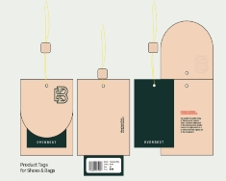
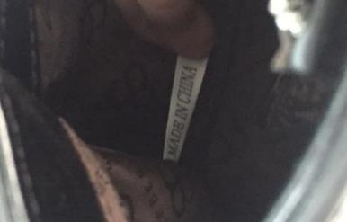
Delivery Date | 29-Jun-26 |  | BARCODE 请贴条码按照图片： | BAG CARD： | 请缝这个布标写“MADE IN CHINA"在内里布
交货日期
LOGO :
商标
TERM OF PAYMENT: | CREDIT

ES-JKT
PUT PRODUCT TAG INTO SHOE BOX
CARTON MARK ：
( 箱标志 )

PICTURE ( 图片 ):
263EB387
MODESTCUT

DESERT_TAUPE |  | GARNET_RED |  | NOIR_BLACK

DESERT_TAUPE |  | GARNET_RED |  | NOIR_BLACK |  | 0
PACKAGING 包装： |  |  | OTHER REMARKS:
 |  |  | 注意：
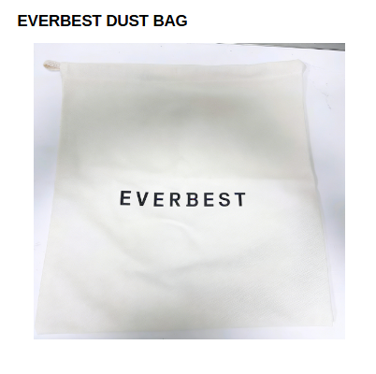


 |  |  | 1. FOLLOW AS SAMPLE
 |  |  | 遵循示例
 |  |  | 2. PLEASE ENSURE THE LONG STRAP IS INCLUDED IN EACH BAG
 |  |  | 请确保每个包中均包含长带

请用LTA胶带封箱 。请看图片
1. USING NEW DESIGN OF DUSTBAG

